ALL
2 AND 1
Refined by: DOCUMENT TYPES=( ARTICLE ) AND PUBLICATION YEARS=( 2015 OR 2011 OR 2007 OR 2014 OR 2010 OR 2006 OR 2013 OR 2009 OR 2005 OR 2012 OR 2008 ) AND SOURCE TITLES=( HUMAN BRAIN MAPPING )
Timespan=2005-2019. Indexes=SCI-EXPANDED, SSCI, A&HCI, CPCI-S, CPCI-SSH, ESCI.

 |  | Total Publications by Year |  |  |  |  |  |  |  |  | Sum of Times Cited by Year
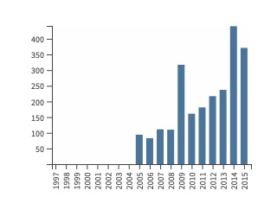
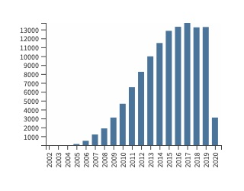

Results found | 2322
Sum of the Times Cited | 117227
Average Citations per Item | 50.49
h-index | 143

Title | Authors | Corporate Authors | Editors | Book Editors | Source Title | Publication Date | Publication Year | Volume | Issue | Part Number | Supplement | Special Issue | Beginning Page | Ending Page | Article Number | DOI | Conference Title | Conference Date | Total Citations | Average per Year | 2005 | 2006 | 2007 | 2008 | 2009 | 2010 | 2011 | 2012 | 2013 | 2014 | 2015 | 2016 | 2017 | 2018 | 2019
Automated Volumetry and Regional Thickness Analysis of Hippocampal Subfields and Medial Temporal Cortical Structures in Mild Cognitive Impairment | Yushkevich, Paul A.; Pluta, John B.; Wang, Hongzhi; Xie, Long; Ding, Song-Lin; Gertje, Eske C.; Mancuso, Lauren; Kliot, Daria; Das, Sandhitsu R.; Wolk, David A. |  |  |  | HUMAN BRAIN MAPPING | JAN 2015 | 2015 | 36 | 1 |  |  |  | 258 | 287 |  | 10.1002/hbm.22627 |  |  | 152 | 25.33 | 0 | 0 | 0 | 0 | 0 | 0 | 0 | 0 | 0 | 0 | 12 | 21 | 33 | 33 | 46
Cognitive Impairment and Resting-State Network Connectivity in Parkinson's Disease | Baggio, Hugo-Cesar; Segura, Barbara; Sala-Llonch, Roser; Marti, Maria-Jose; Valldeoriola, Francesc; Compta, Yaroslau; Tolosa, Eduardo; Junque, Carme |  |  |  | HUMAN BRAIN MAPPING | JAN 2015 | 2015 | 36 | 1 |  |  |  | 199 | 212 |  | 10.1002/hbm.22622 |  |  | 131 | 21.83 | 0 | 0 | 0 | 0 | 0 | 0 | 0 | 0 | 0 | 2 | 10 | 17 | 29 | 29 | 39
...

